SUS 310 Dia 8mm
KARTU STOCK
CATEGORY : | Round Bar SUS Dia. 8mm
Tanggal | Deskripsi | Suplier | Saldo awal |  | In | Out | Stcok Akhr |  | Keterangan

2024-10-21 | Stock Awal | Putra Indra Boga | 249 | Btg |  |  | 249 | Btg
2024-10-21 | PLTSA Anchor V Dia. 8x175mm : 30 Pcs |  |  |  |  | 2 | 247 | Btg
 | PLTSA Anchor V Dia. 8x200mm : 10 Pcs
2024-10-22 | From Pib |  |  |  | 100 |  | 347 | Btg
2024-10-25 | PT Pantarhei Anchor SUS 310 Dia. 8mmx5 in(127 mm) : 1750 Pcs |  |  |  |  | 110 | 237 | Btg
2024-10-25 | Pantarhei V-L-3 Anchor SUS 310 Dia. 8x30mm : 100 Pcs |  |  |  |  | 2 | 235 | Btg
 | Pantarhei V-L-3 Anchor SUS 310 Dia. 8x75mm : 750 Pcs |  |  |  |  | 33 | 202 | Btg
 |  |  |  |  |  |  | 210 | Btg
2024-10-29 | PT Gunung Api Mulia Anchor Y Spiral 8x175mm : 300 Pcs |  |  |  |  | 25 | 185 | Btg
 | PT Gunung Api Mulia Anchor Y Spiral 8x100mm : 300 Pcs |  |  |  |  | 12 | 173 | Btg
 | Anchor RMP Dia. 8x70mm |  |  |  |  | 1 | 172 | Btg
2024-11-13 | From Pib |  |  |  | 150 |  | 322 | Btg
 | PT Pantarhei SUS 310 Type V-PB-2 Dia. 8mmx7 in (178mm) : 1100 |  |  |  |  | 80 | 242 | Btg
2024-12-02 | FROM PIB |  |  |  | 125 |  | 367 | Btg
2024-12-06 | PT RMP Anchor Special Wavy Vee Size Dia.6x250mm : 46 Pcs |  |  |  |  | 5 | 362 | Btg
 | PT Pantarhei SUS 310 Type V-PB-2 Dia. 8mmx7 in (178mm) : 1500 |  |  |  |  | 107 | 255 | Btg
2024-12-20 | From PIB |  |  |  | 100 |  | 355 | Btg
2024-12-20 | PT Pantarhei V-L-3 Anchor SUS 310 Dia. 8x 5 in (127mm) : 1600 Pcs |  |  |  |  | 100 | 255 | Btg
2024-12-20 | Ke aurora Stud Brikasa |  |  |  |  | 7 | 248 | Btg
 | Ke aurora Stud Brikasa |  |  |  |  | 11 | 237 | Btg
 | PT Bas |  |  |  |  | 9 | 228
2025-02-08 | Instock |  |  |  | 100 |  | 328 | Btg
2025-02-14 | PT Pantarhei Anchor VP |  |  |  |  | 93 | 235 | Btg
2025-02-19 | Instock |  |  |  | 100 |  | 335 | Btg
2025-02-24 | PT Pantarhei V-L-3 Anchor SUS 310 Dia. 8x 5 in (127mm) : 1600 Pcs |  |  |  |  | 95 | 240 | Btg
2025-03-10 | PT. SRP Anchor CTH+ Washer M16+Cap : 1105 Pcs dia. 8x150mm SUS 310 |  |  |  |  | 66 | 174
2025-04-09 | From PIB |  |  |  | 200 |  | 374
2025-04-14 | PT SRP Dpuble Pin SUS 310 Dia. 8x100x150x300mm : 45 Pcs |  |  |  |  | 9 | 365
2025-04-14 | Pantarhei Anchor V-L-3 SUS 310 Dia. 8 mm x 4 in : 1300 |  |  |  |  | 65 | 300 | Btg
2025-04-17 | Pantarhei Anchor Type V-PB -2 Dia 8mmx7in (178MM) : 2000 pcs |  |  |  |  | 143 | 157
2025-06-05 | From PIB |  |  |  | 100 |  | 257

2025-06-02 | Stock Opname BY Deni |  |  |  |  |  | 171 | Btg
2025-06-05 | From PIB |  |  |  | 100 |  | 271
 | PT Pantarhei Anchor V-PB-2 Dia. 8x121 (4-34 in) : 108 Pcs |  |  |  |  | 10 | 261
 | PT Pantarhei Anchor V-L-3 Dia. 8x127 (5 in) : 900 Pcs |  |  |  |  | 57 | 204
2025-06-10 | From PIB |  |  |  | 50 |  | 254
2025-06-11 | PT SRP Anchor V SUS 310 Dia. 8x120 mm : 586 Pcs |  |  |  |  | 28 | 226
2025-06-18 | From PIB |  |  |  | 150 |  | 376
2025-06-20 | Pantarhei Anchor V-L-3 SUS 310 Dia. 8x265 mm : 1000 Pcs |  |  |  |  | 125 | 251
2025-06-23 | From PIB |  |  |  | 400 |  | 651
 | PT. Vardhana Anchor SUS 310 Type V Dia. 8x30mm : 2688 Pcs |  |  |  |  | 384 | 267
 | PT. Vardhana Anchor SUS 310 Type V Dia. 8x320mm : 4373 Pcs |  |  |  |  | 84 | 183
 | PT. Vardhana Anchor SUS 310 Type V Dia. 8x50mm : 315 Pcs |  |  |  |  | 10 | 173
2025-06-26 | From PIB |  |  |  | 150 |  | 323
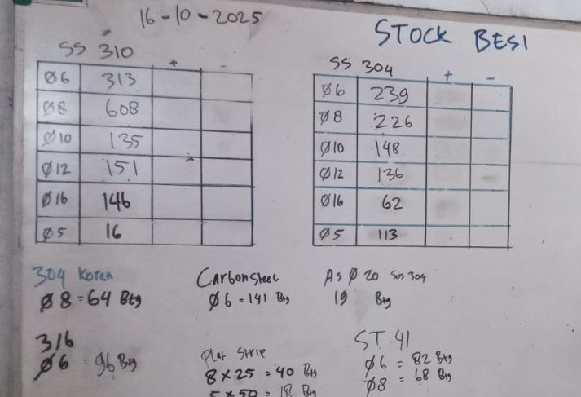
2025-07-04 | Pantarhei Anchor V-L-3 SUS 310 Dia. 8x265 mm : 900 Pcs |  |  |  |  | 57 | 266
2025-07-18 | Pantarhei Anchor V-L-3 SUS 310 Dia. 8x102mm (4 In) : 1200 Pcs |  |  |  |  | 60 | 206 | 206
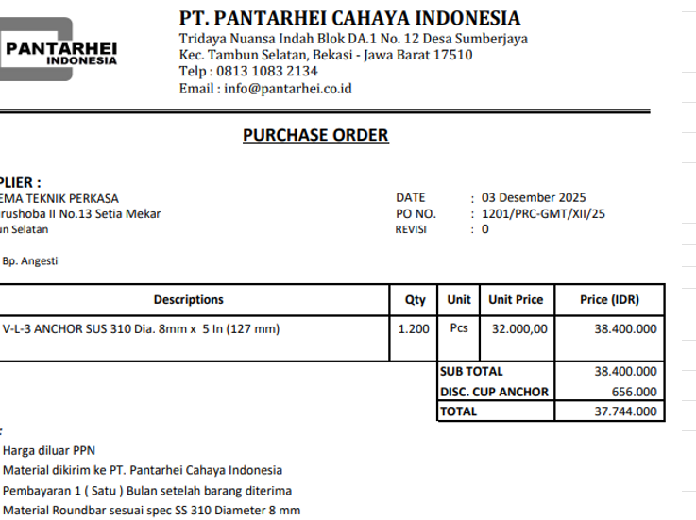
2025-07-25 | PT RMP SS Anchor SUS 310 Type V Dia. 8x70mm : 420 Pcs |  |  |  |  | 7 | 199
2025-07-25 | PT. SRP Anchor Sus 310 Dia. 8x270mm Type V + Cap : 60 Pcs |  |  |  |  | 8 | 191
 | Sinergi Bangun Utama Anchor Y Spiral Dia, 8x175mm+Cap: 350 Pcs |  |  |  |  | 29 | 162
 | Raja Voltama Anchor SS 310 Y Spiral Dia. 8x125x86mm + Cap : 946 |  |  |  |  | 58 | 104
 | Raja Voltama Anchor SS 310 Type V Dia. 8x90mm+Cap : 178 Pcs |  |  |  |  | 7 | 97
2025-07-28 | From PIB |  |  |  | 100 |  | 197
2025-07-30 | From PIB |  |  |  | 150 |  | 347
2025-08-01 | PT Vardhana Anchor SUS 310 Type Y Dia. 8x470 mm : 130 |  |  |  |  | 26 | 321
 | Vardhana Anchor SUS 310 Type Y Spiral Dia. 8x320mm+Cap : 659 Pcs |  |  |  |  | 94 | 227
 | Simbama Anchor SS 310 Type Y Spiral Dia. 8x160mm+cap : 288 Pcs |  |  |  |  | 13 | 214
 | Simbama Anchor SS 310 Type Y Spiral Dia. 8x120mm+Cap : 112 Pcs |  |  |  |  | 5 | 209
2025-08-04 | From PIB |  |  |  | 150 |  | 359
 | PT Pantarhei Anchoring Refractory SUS 310Tyoe V-PB-2 Dia. 8 mm x 7 in (178 mm) : 1100 Pcs |  |  |  |  | 79 | 280
2025-09-12 | From PIB |  |  |  | 100 |  | 380
2025-09-18 | PT Pantarhei Anchoring Refractory SUS 310Tyoe V-PB-2 Dia. 8 mm x 7 in (178 mm) : 1100 Pcs |  |  |  |  | 86 | 294
2025-09-30 | From PIB |  |  |  | 100 |  | 394
2025-10-07 | From PIB |  |  |  | 150 |  | 544
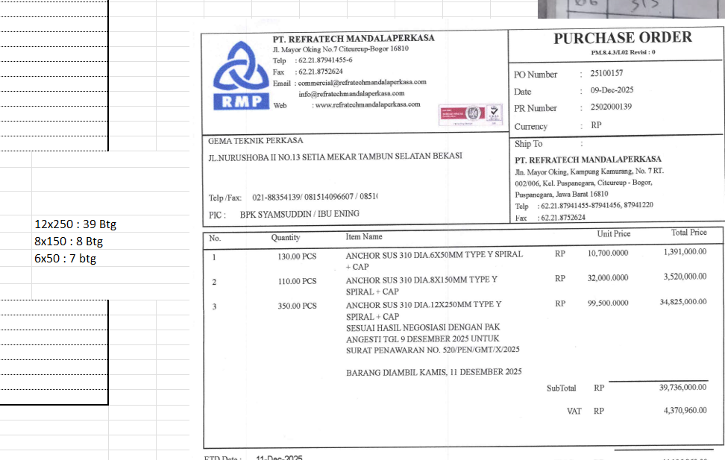
2025-10-09 | From PIB |  |  |  | 100 |  | 644
2025-10-13 | PT Vardhana Anchor SUS 310 Type V Dia. 8x50mm+Cap : 3225 Pcs |  |  |  |  | 68 | 576
 | PT Pantarhei Anchor V-L-3 SS 310 Dia.8x5 in (127mm) : 1200 Pcs |  |  |  |  | 71 | 505
 | PT Pantarhei Anchor V-PB-02 SS 310 Dia. 8x4-3/4 in (121mm) : 112 Pcs |  |  |  |  | 7 | 498
 | PT Simbama Anchor Y Spiral SS 310 Dia. 8x175mm : 400 Pcs |  |  |  |  | 4 | 494
 | PT Pantarhei Anchoring SS 310 Type V-PB-2 Dia. *mmx7in (178mm) : 1200 Pcs |  |  |  |  | 86 | 408
2025-10-15 | From PIB |  |  |  | 200 |  | 608
2025-10-03 | PT Allied SS Anchpr SUS 310 Type Y Spiral Dia. 8x200mm+Cap : 83 Pcs |  |  |  |  | 8 | 600
 | PT Allied SS Anchpr SUS 310 Type Y Spiral Dia. 8x230mm+Cap : 48 Pcs |  |  |  |  | 5 | 595
 | PT Allied SS Anchpr SUS 310 Type Y Spiral Dia. 8x355mm+Cap : 83 Pcs |  |  |  |  | 12 | 583
 | PT Allied SS Anchpr SUS 310 Type Y Spiral Dia. 8x150mm+Cap : 114 Pcs |  |  |  |  | 8 | 575

2025-11-07 | PT Indoporlen Met.Anc Ty VH Dia.8x75mm : 3209 Pcs |  |  |  |  | 107 | 468
2025-11-08 | From PIB |  |  |  | 100 |  | 568
2025-11-10 | From PIB |  |  |  | 300 |  | 868
2025-11-11 | From PIB |  |  |  | 200 |  | 1,068
2025-11-14 | PT RMP Anchor SUS 310 V Dia.8x75mm : 19,926 Pcs |  |  |  |  | 664 | 404
2025-11-14 | PT RMP Anchor SUS 310 V Dia.8x75mm : 2,754 Pcs |  |  |  |  | 92 | 312
2025-11-25 | From PIB |  |  |  | 100 |  | 412
2025-11-26 | PT SRP Anchor V SS 310 8x80mm : 2500 Pcs |  |  |  |  | 81 | 331
2025-12-02 | CV Aurora |  |  |  |  | 20 | 311 |  |  | s
2025-12-04 | PT Akurasi Presisi Indonesia |  |  |  |  | 16 | 295
2025-12-05 | ToAurora |  |  |  |  | 14 | 281
 | PT Pantarhei V-L-3Anchos SUS 310 Dia. 8mmx5In (127mm) |  |  |  |  | 71 | 210
2025-12-12 | PT RMP anchor Sus 310 Dia.12x250mm Type Y Spiral : 110 Pcs |  |  |  |  | 8 | 202

SUS 310 Dia 8mm Korea
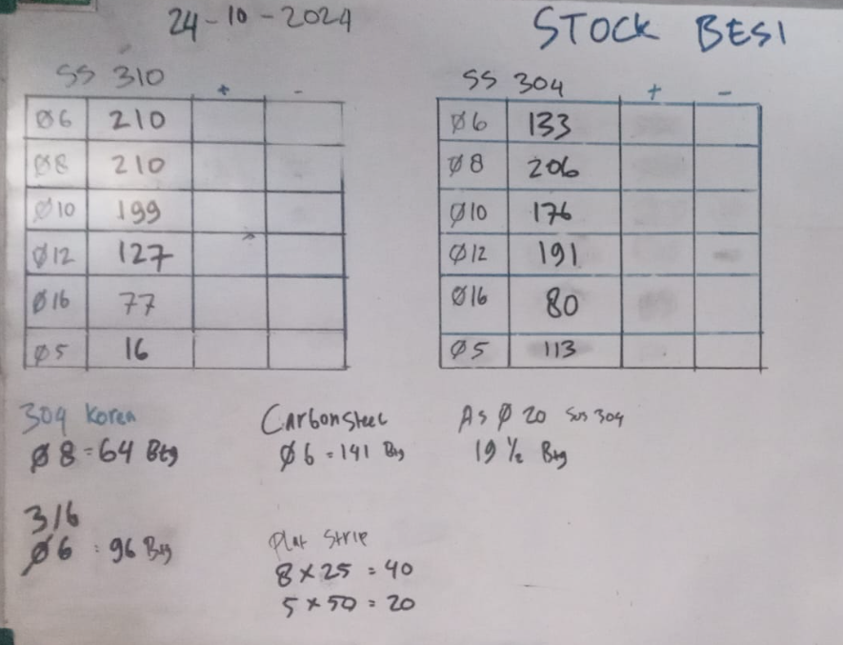
KARTU STOCK
CATEGORY : | Round Bar SUS 310 Dia. 8mm KOREA
Tanggal | Deskripsi | Suplier | Saldo awal |  | In | Out | Stcok Akhr |  | Keterangan

2024-10-21 | Stock Awal | Putra Indra Boga | 24 | Btg |  |  | 24 | Btg

SUS 310 Dia 12mm
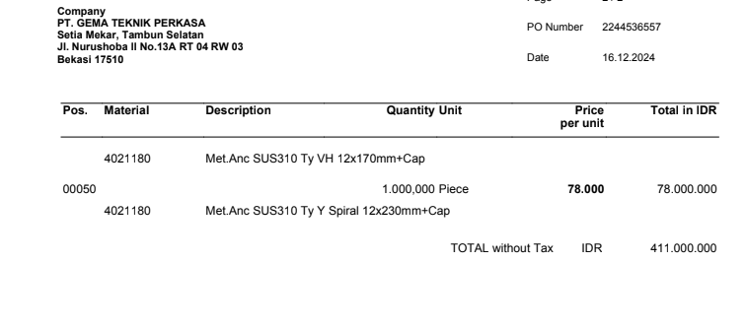
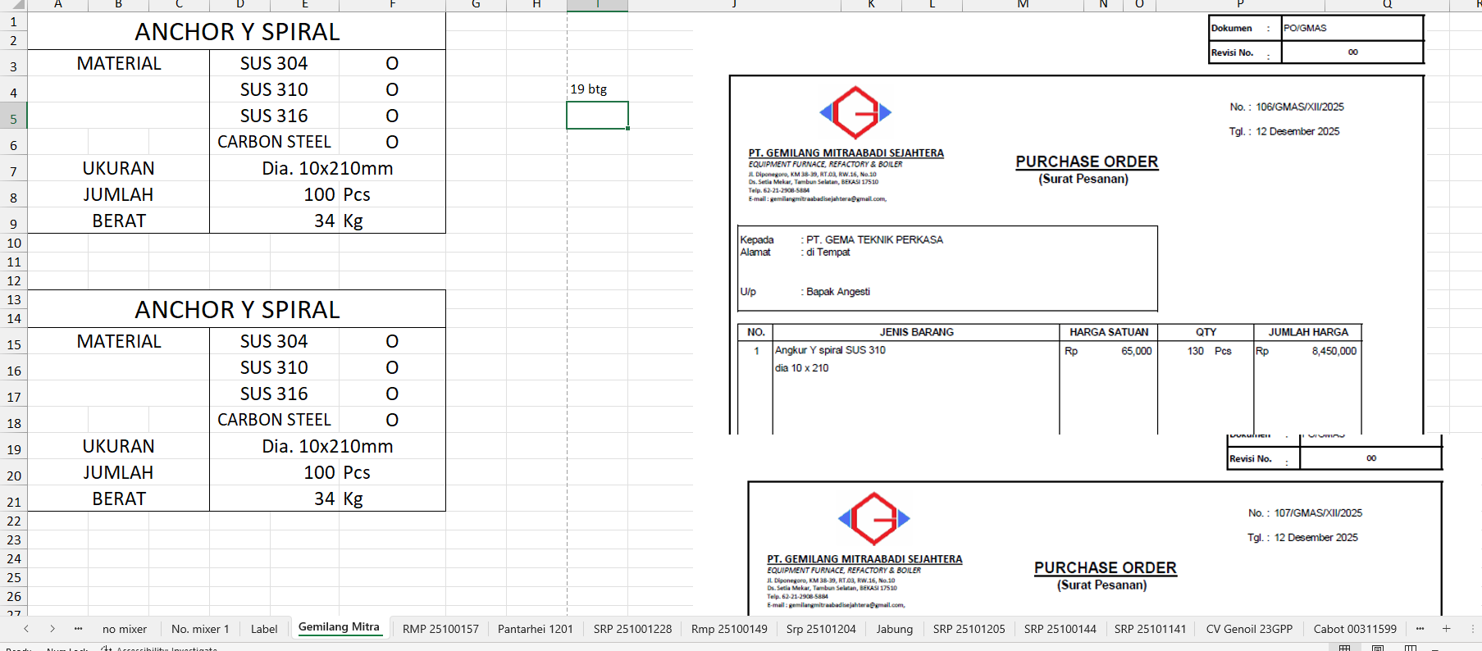
KARTU STOCK
CATEGORY : | Rund Bar SUS 310 Dia. 12 mm
Tanggal | Deskripsi | Suplier | Saldo awal |  | In | Out | Stcok Akhr |  | Keterangan
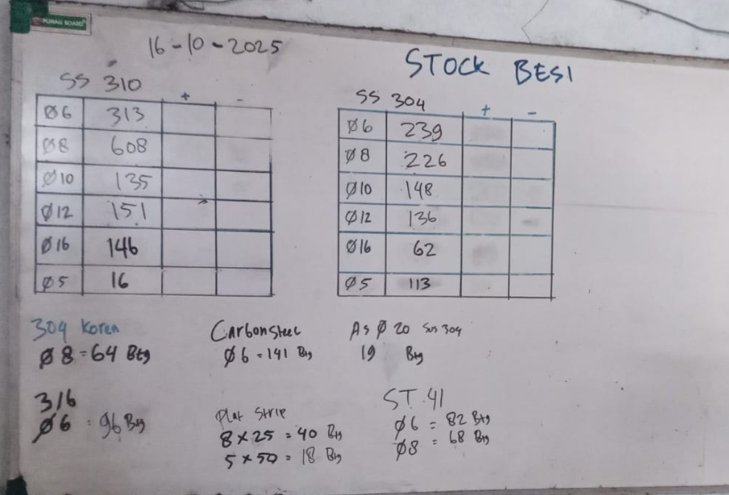
2024-10-21 | Stock Awal | Putra Indra Boga | 127 | Pcs |  |  | 127 | Btg
2024-11-29 | PT Nutech Anchir SS 310 Type Y Spiral Dia. 12x450+Cap : 6 Pcs |  |  |  |  | 12 | 115 | Btg
 | PT Nutech Anchir SS 310 Type Y Spiral Dia. 12x400+Cap : 6 Pcs
 | PT Nutech Anchir SS 310 Type Y Spiral Dia. 12x375+Cap : 6 Pcs
 | PT Nutech Anchir SS 310 Type Y Spiral Dia. 12x350+Cap : 30 Pcs
 | PT Nutech Anchir SS 310 Type Y Spiral Dia. 12x450+Cap : 25 Pcs
2024-12-17 | From PIB |  |  |  | 500 |  | 615 | Btg
2024-12-18 | From PIB |  |  |  | 75 |  | 690 | Btg
2024-12-18 | Indoporlen Met. Anc Y Spiral Dia. 12x270mm+Cap : 3000 Pcs |  |  |  |  | 334 | 356 | Btg
 | Indoporlen Met. Anc 310 Y Spiral 12x320mm : 200 Pcs |  |  |  |  | 29 | 327 | Btg
 | Indoporlen Met. Anc SUS 310 Type VH Dia. 12x270mm : 200 Pcs |  |  |  |  | 23 | 304 | Btg
 | Indoporlen Anchor SUS 310 Type VH Dia. 12x170mm + Cap : 500 Pcs |  |  |  |  | 36 | 268 | Btg
 | Indoporlen Anchor SUS Type Y Spiral Dia. 12x230mm+Cap : 1000 Pcs |  |  |  |  | 100 | 168 | Btg
2025-03-11 | PT. SRP Anchor Steel K1.1 Dia. 12x300mm : 63 Pcs |  |  |  |  | 4 | 164 | Btg
2025-03-17 | From PIB |  |  |  | 50 |  | 214 | Btg
2025-04-15 | PT ndoporlen Met. ANC Ty Y Dia. 12x270mm +Cap : 200 Pcs |  |  |  |  | 23 | 191 | Btg
2025-04-17 | Pantarhei Holdback Anchor SUS 310 Dia. 12x150x130mm : 550 Pcs |  |  |  |  | 28 | 163 | Btg

2025-06-02 | Stock Opname By Deni |  |  |  |  |  | 184 | Btg
2025-06-24 | PT Daiki Y Las dia. 12x320mm Buat Kiln |  |  |  |  | 3 | 181 | Btg
2025-07-25 | PT SRP Anchor SS 310 Dia. 8x270mm Type V : 60 Pcs |  |  |  |  | 18 | 163 | Btg
2025-09-01 | Simbama Beltung |  |  |  |  | 12 | 151 | Btg

2025-10-16 | Stock Opname By Deni |  |  |  |  |  | 151 | Btg
2025-12-12 | PT RMP Anchor SS 310 Dia. 12x250mm Type Y Spiral + Cap : 350 Pcs |  |  |  |  | 39 | 112 | Btg
2025-12-12 | PT Gemilang Angkur Y Spiral SUS 310 Dia. 10x120mm : 130 Pcs |  |  |  |  | 19 | 93 | Btg
 | PT Gemilang Angkur Y Spiral SUS 310 Dia. 10x120mm : 70 Pcs
 |  |  |  |  | 100 |  | 193 | Btg

SUS 310 Dia 16mm
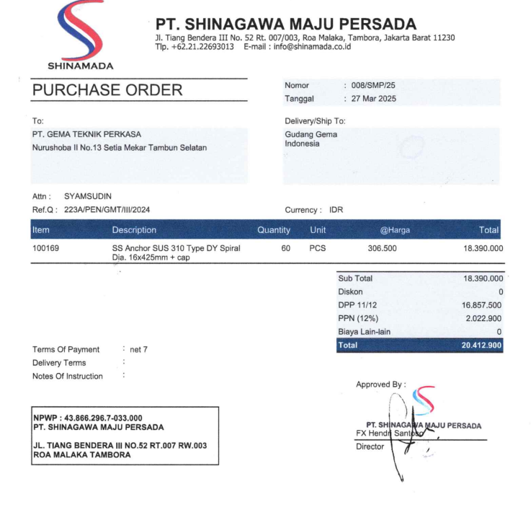
KARTU STOCK
CATEGORY : | Round Bar SUS 310 Dia. 16 mm
Tanggal | Deskripsi | Suplier | Saldo awal |  | In | Out | Stcok Akhr |  | Keterangan

2024-10-21 | Stock Awal | Putra Indra Boga | 82 | Pcs |  |  | 82 | Btg
2025-01-24 | From PIB |  | 100 |  |  |  | 182 | Btg
2025-01-28 | PT SRP Anchor v Spiral Dia. 16x310mm : 500 Pcs |  |  |  |  | 83 | 99 | Btg
 | Kranji |  |  |  |  | 2 | 97 | Btg
 | temen Soleh |  |  |  |  | 2 | 95 | Btg
2025-03-11 | PT. SRP Anchor Steel K1.3 Dia. 16x174mm : 63 Pcs |  |  |  |  | 2 | 93 | Btg
2025-03-10 | From PIB |  |  |  | 100 |  | 193 | Btg
2025-03-12 | PT SRO Anchor V Dia. 16x310mm : 600 Pcs |  |  |  |  | 86 | 107 | Btg
2025-04-10 | PT Shinamada Anchor Dy Spiral Dia. 16x425mm : 60 Pcs |  |  |  |  | 5 | 102 | Btg
2025-04-15 | Instock From PIB |  |  |  | 50 |  | 152 | Btg

2025-06-02 | Stock Opname By Deni |  |  |  |  |  | 146 | Btg
2025-10-16 | Stock Opname By Deni

Baut 16
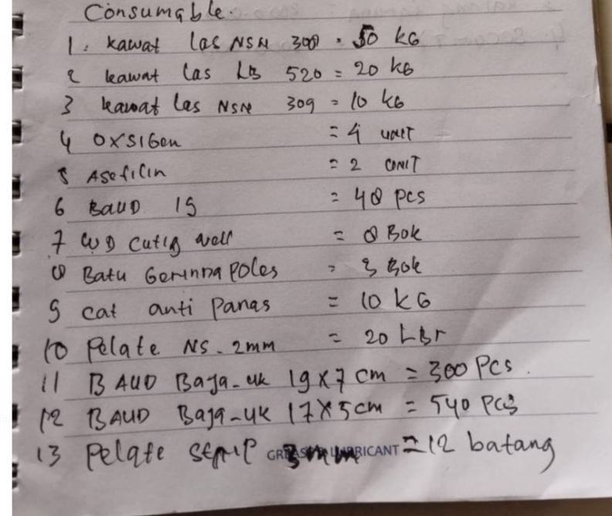
KARTU STOCK
CATEGORY : | Plat Streep 3x30x6000mm
Tanggal | Deskripsi | Suplier | Saldo awal | In | Out | Stcok Akhr |  | Keterangan

2025-04-23 | From PIB |  |  | 550 |  | 550 | Pcs
2025-04-24 | Ti PT Tenaris |  |  |  | 540 | 10 | Pcs

